Q.3
3. What is a range object in VBA? What is a worksheet object?

Excel VBA Range Object

Range is a property in VBA that helps specify a particular cell, a range of cells, a row, a column, or a three-dimensional range. In the context of the Excel worksheet, the VBA range object includes a single cell or multiple cells spread across various rows and columns.

How to use the VBA Range Function in Excel?

A hierarchy pattern is used in Excel VBA to refer to the range object. This three-level object hierarchy consists of the following elements:

Object Qualifier: This refers to the location of the object. It is the workbook or the worksheet where the object is placed.
Property: This stores the information related to the object.
Method: This refers to the action that the object will perform. For example, for a given range, the methods are actions like sorting, formatting, selecting, clearing, etc.

What is a worksheet object?

In VBA, the worksheet object represents a single worksheet that is a part of the workbook’s worksheets (or sheets) collection. Using the worksheet object, you can refer to the worksheet in a VBA code, and refer to a worksheet you can also get access to the properties, methods, and events related to it.

Assume you have a total of 5 sheets in your workbook. The name of those worksheets is “Worksheet 1”, “Worksheet 2”, “Worksheet 3”, “Chart Sheet 1”, and “Chart Sheet 2.”

If we use the numbering to select the worksheet, then we can use the number as the worksheet reference.
Worksheet(2). Select means it will select the second worksheet of the workbook.
Code:
Sub Worksheet_Example1()

Worksheets(2).Select

End Sub

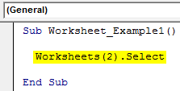

We will run this code using the F5 key or manually and see the result.

Now, we will change the sheet number to 3.
Code:
Sub Worksheet_Example1()

Worksheets(3).Select

End Sub
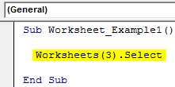

Now, see what happens when you run the code manually or using the F5 key code.

If you look at the above image, it selected the 4th worksheet when we asked to select the 3rd one.
That is because we have used the Worksheet object, not the Sheets object. As we told earlier, the “Worksheets” object considers only worksheets, not chart sheets.
Use the Sheets object to select the third sheet of all the sheets in the workbook.
Code:
Sub Worksheet_Example1()

Sheets(3).Select
End Sub
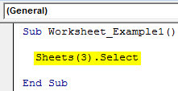

Now, it will select the exact third sheet.

Q.4
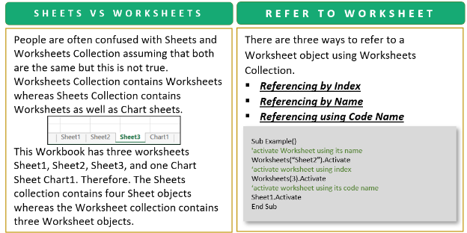
4. What is the difference between worksheet and sheet in excel?

Difference Between Sheets and Worksheets Collection
People are often confused with Sheets and Worksheets Collection assuming that both are the same but this is not true. Worksheets Collection contains Worksheets whereas Sheets Collection contains Worksheets as well as Chart sheets

We would use the Sheets Collection only when we want to refer to the chart sheets as well otherwise we use the Worksheets Collection. Sheets and Worksheet collection make no difference when there exist no chart sheets in our workbook.

This Workbook has three worksheets Sheet1, Sheet2, Sheet3, and one Chart Sheet Chart1. Therefore. The Sheets collection contains four Sheet objects whereas the Worksheet collection contains three Worksheet objects.

Sheets=Worksheets+ChartSheets

Q.5
5. What is the difference between A1 reference style and R1C1 Reference style? What are the advantages and disadvantages of using R1C1 reference style?

Ans :

Difference Between A1 and R1C Reference Style
In the A1 reference style, you have the column name as an alphabet and the row name as a number and when you select the A1 cell that means you are in column A and row 1. But in R1C1 both column and row are in numbers.

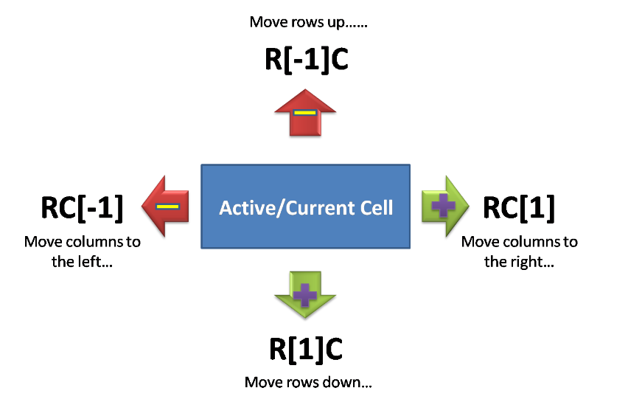

Advantages

The R1C1 reference style is useful if you want to compute row and column positions in macros. In the R1C1 style, Excel indicates the location of a cell with an "R" followed by a row number and a "C" followed by a column number.

Disadvantages
The disadvantage of R1C1 reference style is that it messes up other worksheets and is less user-friendly.

